Sheet1
Product Type | Table Top
Buyer Model No. | WFR-TH12W
Homa Model No. | DF1-11S
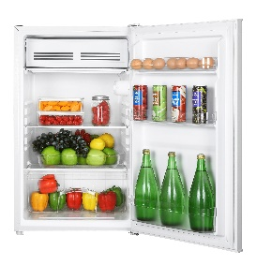
Product Photo

Volume/Capacity
Net Volume Total (L) | 90
Net Volume Fridge (L) | 82
Net volume Chiller (L) | 10
Cooling System
Compressor Type & Number | Hermetic / 1
Refrigerant | R600a /26g
Power Voltage | 220V/50Hz
Power Input (Watt) | 90
Current(A) | 0.55
Power Plug Type | Schuko
Condensor Type | Hidden
Temperature Control | Mechanical
Energy Efficiency Class | F
Energy Consumption (kWh/24h) | 0.293
Energy Consumption (kWh/year) | 107
Climate Class | N/ST
Noise Level dB(A) | 39
General Feature
Number of Doors | 1
Reversible Door | Yes
Door lock | No
Handle Type & Material | Recessed / ABS
Door Type | Rounded corners
Door Panel Material & Color | White/ inox / stainless steel
Cabinet Color | White
Fridge Compartment
Evaporator Type | No
Defrost | No
Drain pan (Material/no.) | HIPS / 1
Interior Lamp | Yes/ 10Watts
Shelf type / number | Glass / 1
Crisper cover type / number | Glass / 1
Crisper Drawer Material / Number / Color | PS / 1 / Transparent
Door Rack Number Material /Number /Color | Wire / 1 / White
Door Balcony Number Material /Number /Color | PS / 2+1 / Transparent, wire
Egg Tray | No
Freezer Compartment
Rating | -2℃ ~ 8℃
Freezing Capacity | No
Evaporator Type | Visible
Defrost | Manual
Flap Type / Number / Color | PS / 1 / White
Ice Cube Tray | No
Dimension
Dimension Product (mm) | W480 x D450 x H850
Dimension Package (mm) | W496 x D462 x H885
40'HC Quantity (piece) | 356
Weight (kg) Net / Gross | 19.5/21.5

Approval | CE

Updated on 2023/2/7

